2024-25 Apprenticeship Report
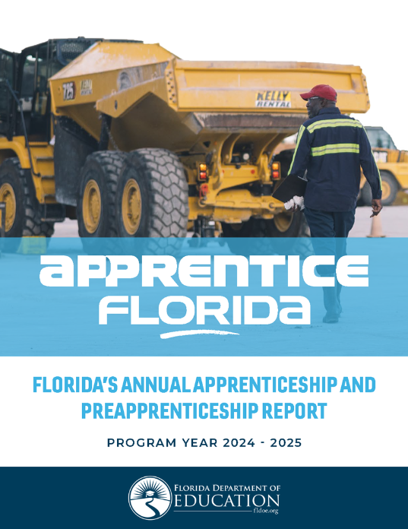
The 2024-25 Annual Apprenticeship and Preapprentice Report is available at:
https://www.fldoe.org/academics/career-adult-edu/research-evaluation/annual-app-reports.stml

This file may be used to view and toggle report appendices D - J4.
For questions about report data, please contact the Division of Career and Adult Education,
Office of Research & Evaluation.

