PCOG Instructions
Pathways to Career Opportunities Grant Project Concept Instructions
1) Please use Calibri size 14-point font throughout this Excel Worksheet.
2) Written responses should be brief, clear and concise. Each narrative box contains a character limit.
3) Responses should be written without paragraphs, excessive spaces or bullet points. (see examples below).

4) Use this Apprenticeship Training Regional (ATR) map to answer question #3 on the Applicant Information tab.
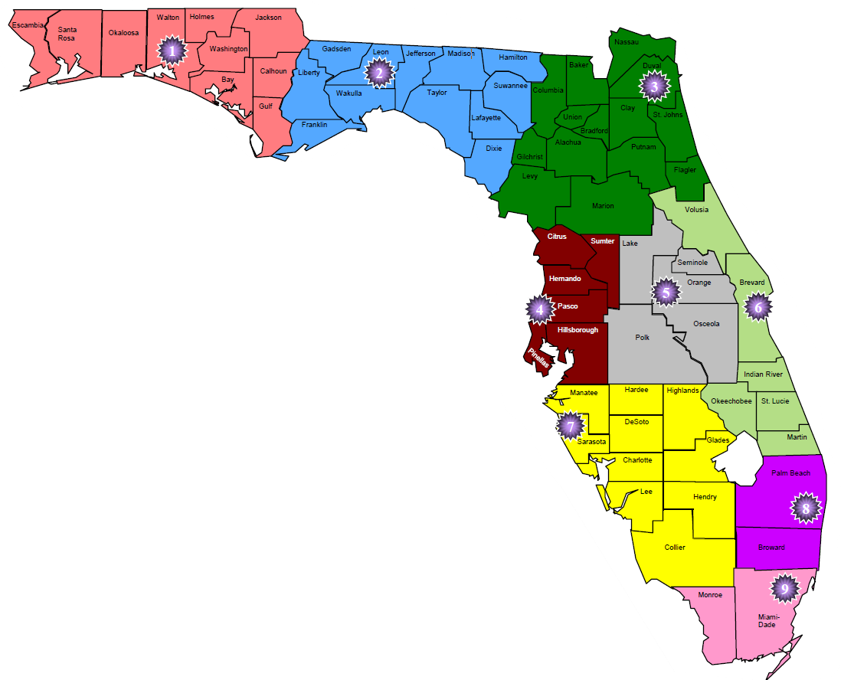
5) Drop Down lists are used throughout this application. You will be able to see if a question has a drop down by looking for the following icon next to that space.
6) "New", "operating" or "expansion" should be selected in the PCOG Concept information tab, depending on which selection is made the corresponding program tab should be filled in. For example if "New" is selected in the PCOG Concept Information tab, then only the PCOG New Program tab should be filled in skipping the PCOG Expansion program and PCOG Operating Program tabs. All project concepts should fill in the enrollment chart and budget tabs.

Key Terms and Provisions
Key Terms and Provisions
Definitions
New Program: New funding concept pitches seek to establish brand new apprenticeship or preapprenticeship programs as evidenced by a training plan for the program that meets the requirements for registration under Rules 6A-23 or 6A-23.010, Florida Administrative Code (F.A.C.), and which must be registered with the Florida Department of Education within 120 days of grant award. Upon registration the program will be issued a unique program number. See provisions below.
Expansion Program: Expansion concept pitches seek to increase capacity of apprentices and/or occupations of an existing program that is registered with the Florida Department of Education (state apprenticeship agency) to do the following: • Add a new occupation(s) to the existing registered standards for the program (within 120 days of grant award) • Add new training seats to an existing occupation(s) contained in the registered standards for the program. For example, if a program trains a cohort of 30 welder apprentices in a single year, an example of expansion would be the program intends to add an additional 8 seats (in the funding year) to the cohort to train a total of 38 welder apprentices. See provisions below.
Operation of Existing Program: Concept pitches for operation funds for existing registered apprenticeship or preapprenticeship programs are limited to those programs that are fully registered with the Florida Department of Education (state apprenticeship agency) that do not partner during the funding year with a public Local Educational Agency (LEA) for related technical instruction. The project concept must be submitted by the registered sponsor. PCOG funds may be used to support the operating costs of the program to recruit, train and graduate apprentices. See provisions below.
A Project Concept that includes shared budgetary resources: A project concept that includes shared budgetary resources submitted by one applicant who will be considered the fiscal agent. See provisions below.
Provisions
A Project Concept that includes shared budgetary resources: A project concept that includes shared budgetary resources: Shared resources may be between two or more registered programs such as an apprenticeship and a preapprenticeship. Some examples of resources that might be shared include related technical instruction, equipment, space, instructional personnel, outreach and wrap around services. Because of the nature of “new” programs, and the unique funding model for “operating” programs, project concepts including shared budgetary resources are limited to those applying for an “expansion program.”

Preapprenticeship: Each individual preapprenticeship program must be directly sponsored by one or more registered apprenticeship programs in the same occupation, or in the case of a multiple occupations sponsor, the same occupations. A letter of support from the registered apprenticeship sponsoring program will be required with the application, if a concept pitch is invited to submit a grant application.

Operating and Expansion programs: Programs may only apply to PCOG for one type of application, both operating and expansion cannot be applied for in the same grant cycle.

Expansion programs: Applicants applying for an expansion grant on behalf of an employer or sponsor will need a letter of attestation from the employer or sponsor with the application to indicate they will expand capacity or add an occupation(s). The letter of attestation must be submitted with the request for application, if a concept pitch is invited to submit a grant application.
New programs: Applicants applying for new program funds, who do not intend to serve as the actual program sponsor, must obtain a signed letter of attestation from the intended program sponsor supporting the application. The letter of attestation must be submitted with the request for application, if a concept pitch is invited to submit a grant application. Applicants applying for new program funds, who intend to serve as the program sponsor, must obtain a signed letter of attestation from at least one intended participating employer who will employ and train apprentices.
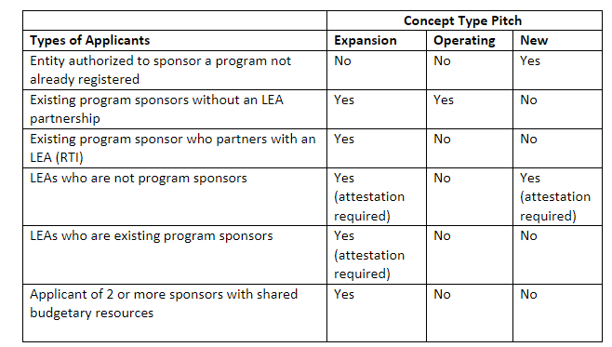 Acceptable Concept Type Pitch by Applicant Type The table below outlines various types of PCOG applicants, and the concept type(s) they may pitch.

