GYO
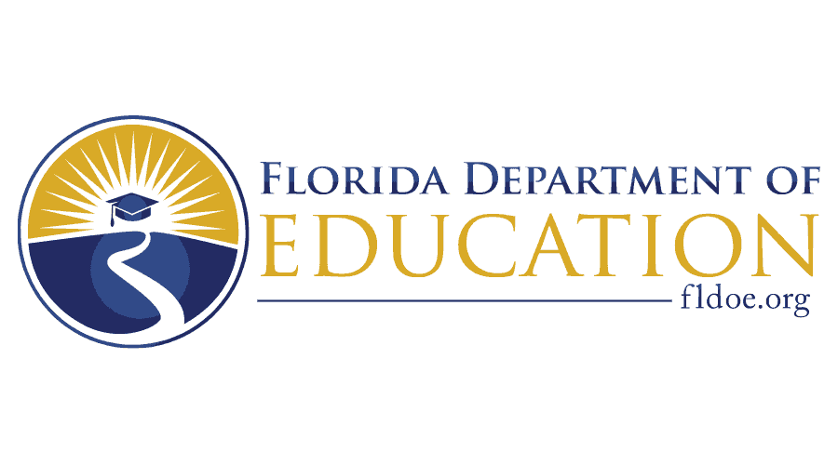

Grow Your Own Registered Teacher Apprenticeship Program: A Sub-Initiative of the Pathways to Career Opportunities Grant Program Project concept due on or before September 22, 2023

Governor Ron DeSantis Commissioner of Education Manny Diaz, Jr.

GYO-PCOG Instructions
Grow Your Own Teacher Registered Apprenticeship Project Concept Instructions
1) Please use Calibri size 12-point font throughout this Excel Worksheet.
2) Written responses should be brief, clear and concise. Each narrative box contains a character limit.
3) Responses should be written without paragraphs, excessive spaces or bullet points. (see examples below).

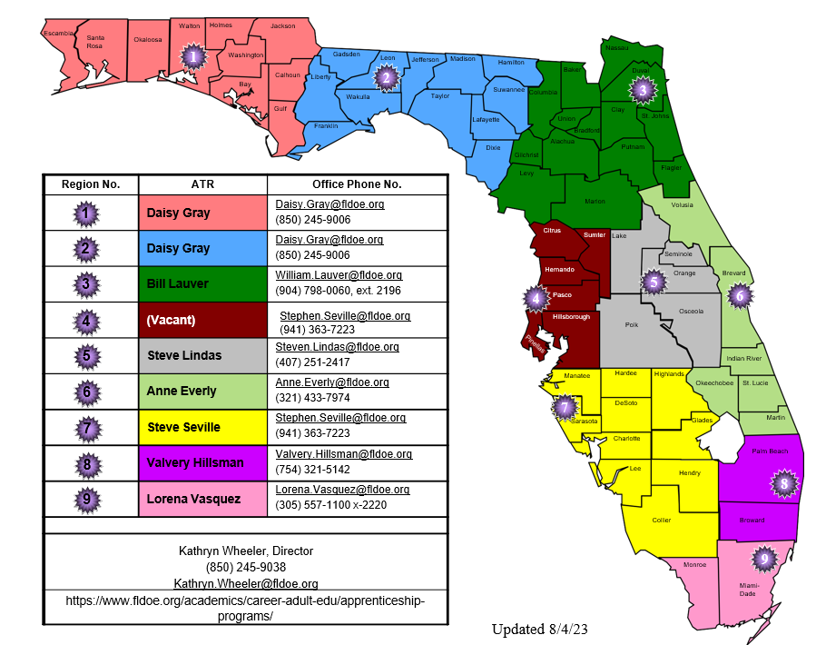
4) Use this Apprenticeship Training Regional (ATR) map to answer question #3 on the Applicant Information tab.

5) A minimum of one letter of attestation from a partnering school district must be included with this project concept and submitted as an attachment.
6) All project concepts must be submitted to PCOG@fldoe.org on or before the due date of September 22, 2023. No project concepts will be accepted in any other manner.
7) The Florida Department of Education is considering a strategic partnership with the National Center for Grow Your Own (NGYO) for technical assistance. Awarded programs may be required to set aside grant funds to receive support and technical assistance from NCGYO.

