PCOG Instructions
Pathways to Career Opportunities Grant Project Concept Instructions
1) Please use Calibri size 12-point font throughout this Excel Worksheet.
2) Written responses should be brief, clear and concise. Each narrative box contains a character limit.
3) Responses should be written without paragraphs, excessive spaces or bullet points. (see examples below).

4) Use this Apprenticeship Training Regional (ATR) map to answer question #6 on the General Information tab.
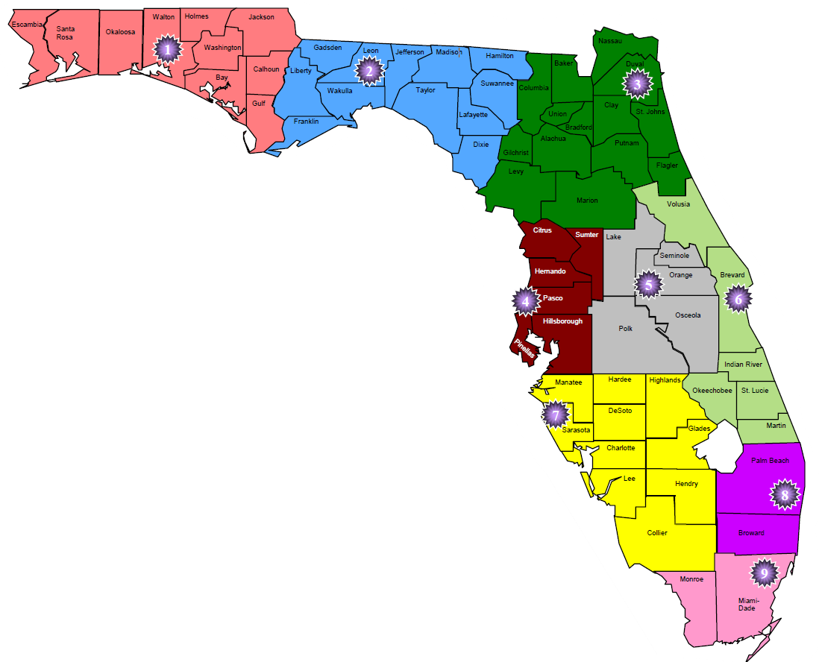
5) You can see if a question has a drop down menu by looking for the following icon next to that space.
6) "New", "operating" or "expansion" should be selected in the General Information tab, the corresponding program tab should be filled in depending on which selection is made. For example if "New" is selected in the PCOG Concept Information tab, then only the PCOG New Program tab should be filled in skipping the PCOG Expansion Program and PCOG Operating Program tabs. All project concepts should fill in the fiscal information, enrollment chart, completion chart and budget tabs.

